NOTES
Pollock Producers
American Seafoods | 1-206-448-0300
Trident
Seven Seas Foods
GAPP | alaskapollock.org
Kramer Fish Group
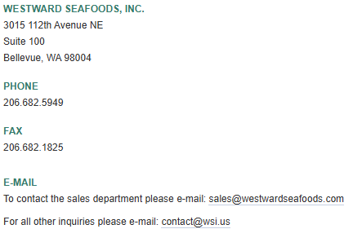
Westward Seafoods | Dutch Harbor
 | Total Production:
 | 254,000,000 LBS
 | Pollock
 | Cod
 | Halibut
 | Black Cod
 | King Crab
 | Snow Crab
 | Dungeness Crab

Debit Form
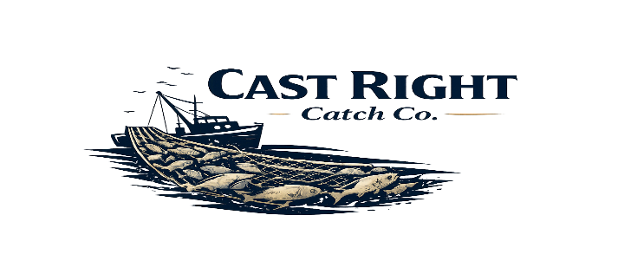

Cast Right Catch Co., LLC |  |  |  |  |  | Vendor Code: | PACI
P.O Box 1064 |  |  |  |  |  | Purchase Order #: | CRC26-10086
Orting, Wa 98360 |  |  | DEBIT MEMO |  |  | Date Received: | 8/25/26
(253) 540-2631 |  |  |  |  |  | Date of Quality Issue: | 8/26/26

Claim Reason | Description |  | Lbs Rec. | Price LB. | Value | Lbs Claimed | Claim Value | Claim %
CHALKY/JELLY HALIBUT | HG HALIBUT FS 20/40 WILD |  | 186.60 | 12.85 | $2,397.81 | 28.00 | $359.80 | 15.01%

 |  |  | 186.60 | 0.00 | $2,397.81 | 28.00 | $359.80 | 15.01%

Notes:
Sales Rep:Jamie Gonzalez | Sales Email: Jamie@phsfd.com |  | Sales Phone: 425-753-3567 |  |  | Notified sales?: Y | Approved by ven?: Y
Pictures attached? Yes |  | How many pics and of what? Label/ pq product
PRINT NAME: Kristen Barnes |  |  |  | DATE SUBMITTED: 08-26-26

